Results
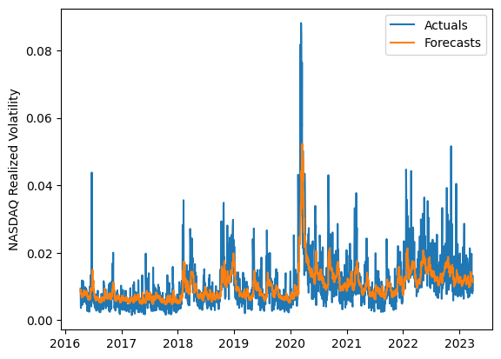
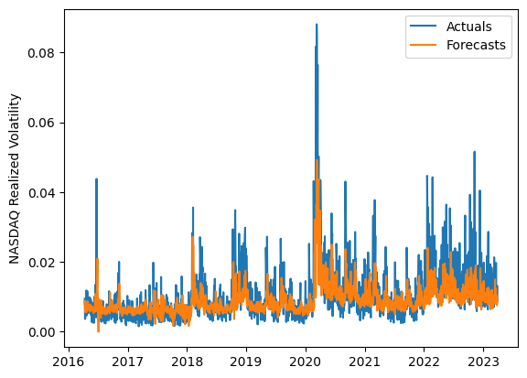
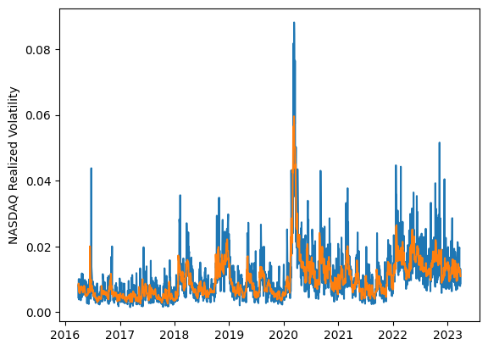
 | LSTM |  |  | TCN |  |  | NBEATSx |  |  |  |  | LSTM |  |  | TCN |  |  | NBEATSx
 | Accuracy | RMSE | Qlike | Accuracy | RMSE | Qlike | Accuracy | RMSE | Qlike |  |  | Accuracy | RMSE | Qlike | Accuracy | RMSE | Qlike | Accuracy | RMSE | Qlike
Trial 1 | 62.00% | 0.36% | 10.27% | 60.60% | 0.42% | 13.16% | 64.28% | 0.35% | 9.64% |  | Mean | 61.53% | 0.366% | 0.106 | 60.63% | 0.426% | 0.129 | 63.91% | 0.348% | 0.095
Trial 2 | 65.40% | 0.36% | 9.43% | 60.52% | 0.41% | 12.09% | 64.21% | 0.35% | 9.84% |  | Standard Deviation | 4.27% | 0.009% | 0.014 | 1.73% | 0.029% | 0.014 | 0.46% | 0.002% | 0.002
Trial 3 | 55.29% | 0.38% | 12.52% | 62.23% | 0.39% | 11.07% | 64.34% | 0.35% | 9.33% |  | 95% CI upper bound | 70.07% | 0.384% | 0.133 | 64.10% | 0.484% | 0.158 | 64.83% | 0.352% | 0.099
Trial 4 | 51.92% | 0.39% | 13.97% | 60.40% | 0.42% | 12.76% | 63.92% | 0.35% | 9.36% |  | 95% CI lower bound | 52.98% | 0.347% | 0.079 | 57.16% | 0.369% | 0.101 | 62.98% | 0.343% | 0.092
Trial 5 | 62.34% | 0.36% | 10.18% | 61.13% | 0.46% | 13.54% | 63.10% | 0.35% | 9.45% |  | 99.7% CI upper bound | 74.34% | 0.394% | 0.147 | 65.83% | 0.512% | 0.172 | 65.30% | 0.355% | 0.101
Trial 6 | 62.99% | 0.36% | 10.09% | 62.80% | 0.40% | 11.58% | 63.78% | 0.34% | 9.25% |  | 99.7% CI lower bound | 48.71% | 0.338% | 0.065 | 55.43% | 0.340% | 0.086 | 62.52% | 0.341% | 0.090
Trial 7 | 63.47% | 0.36% | 9.82% | 57.82% | 0.47% | 15.55% | 64.04% | 0.35% | 9.45%
Trial 8 | 62.28% | 0.36% | 10.18% | 58.59% | 0.39% | 12.30% | 63.11% | 0.35% | 9.55%
Trial 9 | 66.26% | 0.37% | 9.89% | 60.51% | 0.43% | 12.79% | 64.68% | 0.35% | 9.71%
Trial 10 | 56.36% | 0.37% | 12.19% | 61.34% | 0.40% | 11.41% | 64.20% | 0.35% | 9.47%
Trial 11 | 62.44% | 0.36% | 10.19% | 63.36% | 0.43% | 12.23% | 63.74% | 0.35% | 9.76%
Trial 12 | 65.14% | 0.36% | 9.44% | 60.16% | 0.46% | 14.27% | 63.54% | 0.35% | 9.31%
Trial 13 | 65.52% | 0.36% | 9.45% | 59.06% | 0.48% | 16.01% | 63.40% | 0.35% | 9.59%
Trial 14 | 64.03% | 0.36% | 9.69% | 62.87% | 0.43% | 12.16% | 64.31% | 0.35% | 9.71%
Trial 15 | 57.43% | 0.38% | 11.91% | 58.03% | 0.40% | 12.70% | 63.94% | 0.35% | 9.54%

 | LSTM (best trial) |  |  |  |  |  |  |  |  | TCN (best trial) |  |  |  |  |  |  |  |  | NBEATSx (best trial)

